Module 5
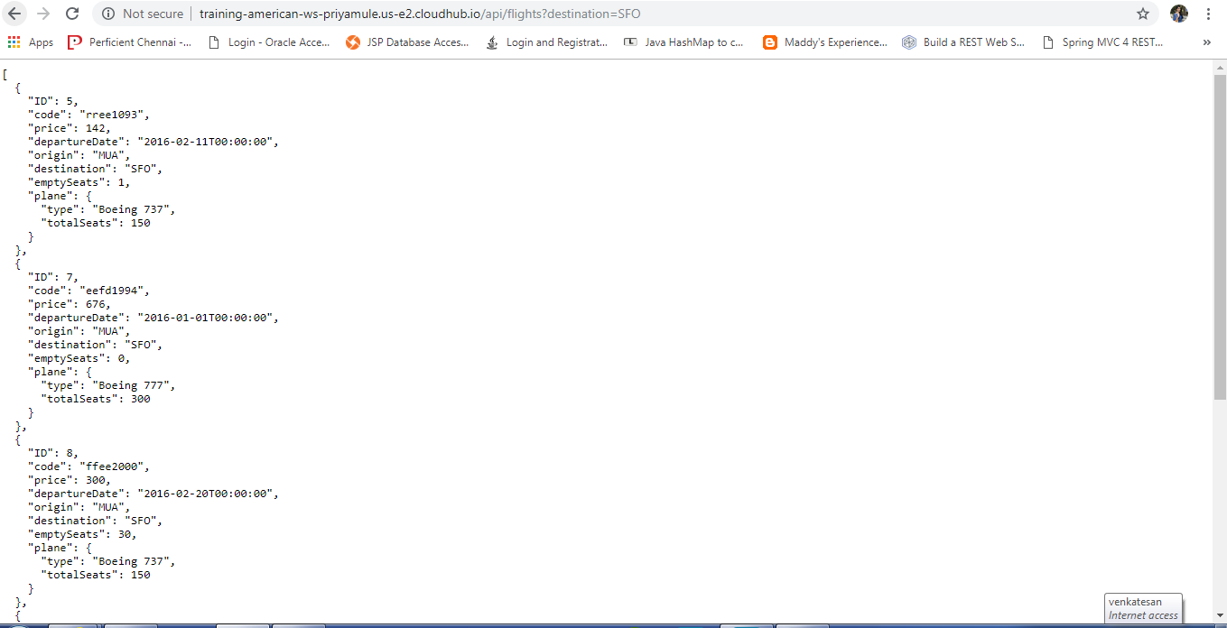
5.1 | Deploying an application from Anypoint studio to cloudhub

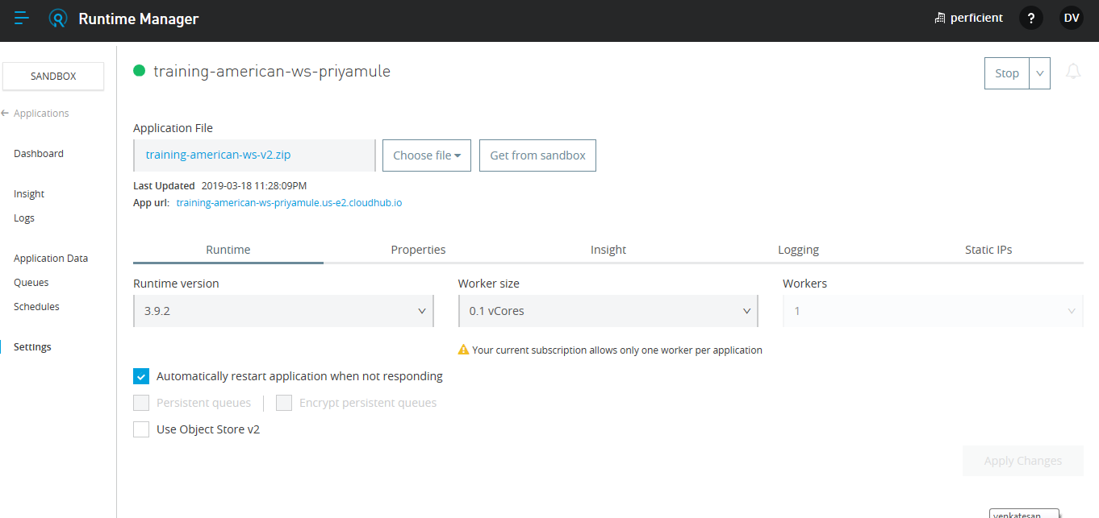

Testing the deployed application

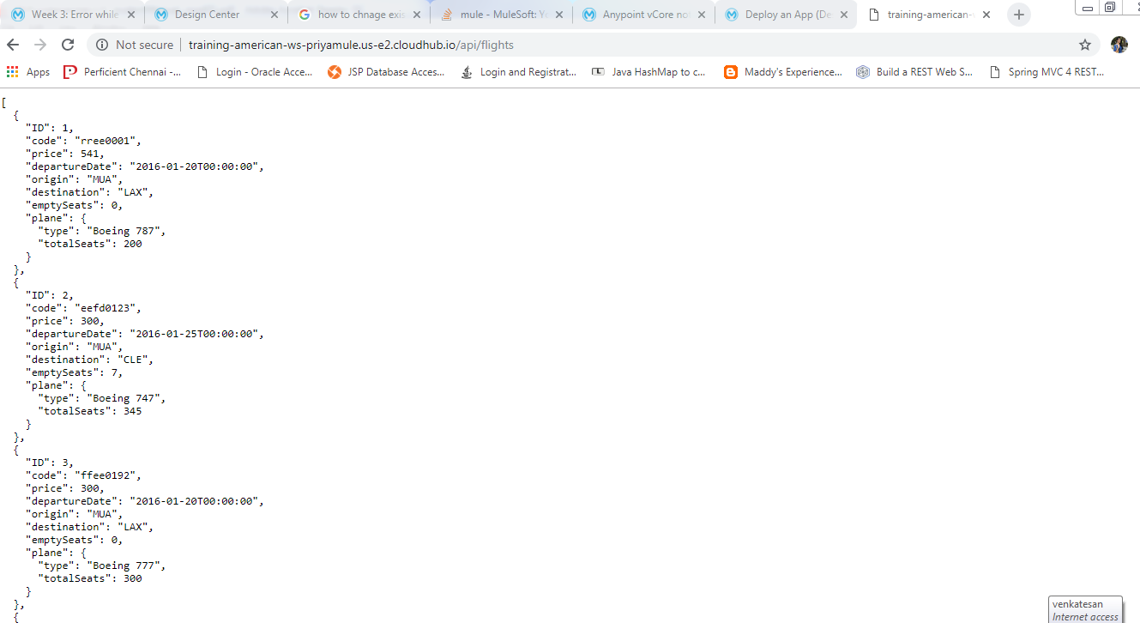

 | Testing the application(Destination =SFO)

